Dashboard
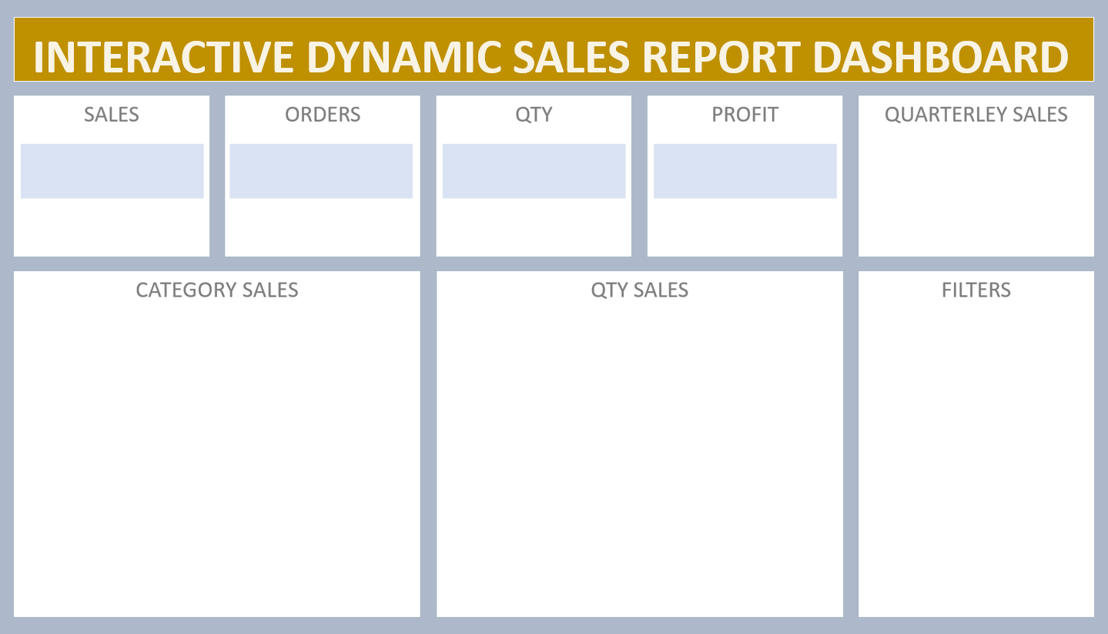

981
4280
₹ 9,84,304
 | Total
Qtr1 | 2414032
Qtr2 | 2368180
Qtr3 | 3095380
Qtr4 | 1965450
₹ 98,43,042

